Mortgage Calculator
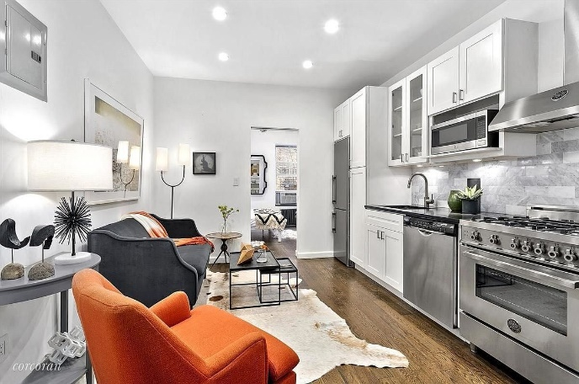
 |  |  |  | PROPERTY COST |  | FIXED TERM |  | FIXED PAYMENTS |  | Mon | Tue | Wed | Thu | Fri | Sat | Sun
 |  |  |  | Purchase Price | $399,000 | Term Length (yrs) | $30 | Term Length (yrs) | $20
 |  |  |  | Tax Rate | $8.80 | Monthly Payment | $1,714 | Monthly Payment | $2,100

 |  |  |  | MONTHLY EXPENSES |  | Total Monthly Expenses:
 |  |  |  | Property Tax | $293 | $2,696
 |  |  |  | Utilities | $0
 |  |  |  | Home Insurance | $140
 |  |  |  | HOA Fees | $550 |  |  |  |  |  |  | Avg. Nights per Month: | 18.603887816 |  | Total profit:
 |  |  |  |  |  |  |  |  |  |  |  | Price per Night: | $207 |  | $1,001
PROPERTY DETAILS |  |  |  | LOAN COST |  | Cash to Close: |  |  |  |  |  | Profit per Night: | $199
 |  |  |  | Down Payment % | 20% | $87,780
Neighborhood: | Chelsea | Zip Code: | 10001 | Annual Interest Rate | 5.0%
Bedrooms: | 1 | Sq Ft: | 450 | Loan Amount | $319,200
Bathrooms: | 1 | $/Sq. Ft: | $886.67 | Est. Closing Costs | $7,980

Notes: | The neighborhood can't be beat - across from Citizen cafe, Sullivan Street Bakery, a block from the HighLine and Chelsea's art galleries, Hudson Yards, Hudson River Park and a stone's throw from Whole Foods, Trader Joes and Fairway.

